P&L Top Dog
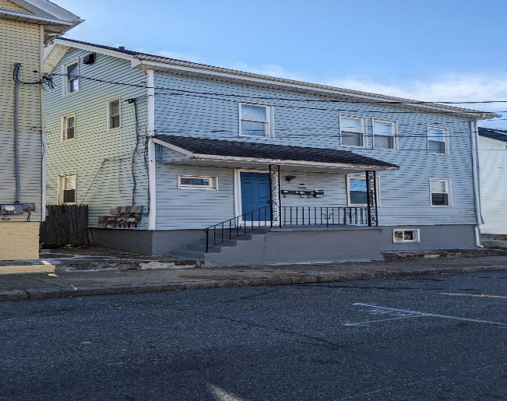
 |  | 100 Lawn Ave Pawtucket, RI 02860

INSTRUCTIONS - INPUT DATA IN GREEN FIELDS ONLY. DO NOT ENTER ANYWHERE ELSE OR FORMULAS WILL BE CORRUPTED.

Price | $445,000
Equity | 111,250 | 25.0%
Mortgage | 333,750 | 75.0%
 |  | 100.0%

Mortgage Interest Rate | 7.0%
Mortgage Term - years | 25

Number of units | 3
Price per unit | $148,333
 |  |  | 2022 |  | 2023 Projections
NOI cap rate |  |  | 5.3% |  | 6.4%
Return on Investment (Net Cashflow before Mortgage Amortization / Equity) |  |  | -1.5% |  | 2.7%
Return on Investment (Net Cashflow after Mortgage Amortization / Equity) |  |  | -5.9% |  | -1.7%
DSCR (Cashflow after Cap Reserve / Total Debt Repayment) |  |  | 0.77 |  | 0.93
DSCR (Cashflow after Cap Reserve / Mortgage Interest) |  |  | 0.93 |  | 1.13
Breakeven occupancy (excluding capital reserves) |  |  | 99% |  | 88%
Income Multiplier |  |  | 12.1 |  | 10.6

 |  |  | Rent |  | Potential Rent
 | Bed | Baths | Current |  | Month | Year
Unit 1 | 1 | 1 | 1,645 |  | 1,645 | 19,740
Unit 2 | 1 | 1 | 925 |  | 1,150 | 13,800
Unit 3 | 1 | 1 | 650 |  | 900 | 10,800
 |  |  |  |  |  | -
 |  |  |  |  |  | -
 |  |  |  |  |  | -
 |  |  |  |  |  | -
 |  |  |  |  |  | -
 |  |  |  |  |  | -
 |  |  |  |  |  | -
 |  |  |  |  |  | -
 | 3 | 3 | 3,220 |  | 3,695 | 44,340

 |  |  | 2022 Rent & Expenses |  | Potential Rent & Projected Expenses
INCOME
Gross Rents |  |  | 38,640 |  | 44,340
Vacancy rate | 5.0% |  | 1,932 |  | 2,217
Net Rents |  |  | 36,708 |  | 42,123
Laundry
OPERATING EXPENSES
Insurance |  |  | 2,200 |  | 2,200
Real Estate Taxes |  |  | 3,500 |  | 3,500
Repairs & Maintenance | 5.0% |  | 1,835 |  | 2,106
Management Fee | 5.0% |  | 1,835 |  | 2,106
Dumpster Fee |  |  | 0 |  | 0
Land scape/Snow removal |  |  | 500 |  | 500
Utilities
Fire Alarm Quarterly |  |  | 360 |  | 360
Water |  |  | 1,440 |  | 1,440
Sewer |  |  | 1,440 | 1 | 1,440
Parking Expense |  |  | 0 |  | 0
Total Operating Expenses |  |  | 13,111 |  | 13,652

Net Operating Income (NOI) |  |  | 23,597 |  | 28,471

Capital Reserves | 5.0% |  | 1,835 |  | 2,106

Cash flow after cap reserve and before mortgage int. |  |  | 21,762 |  | 26,365

Mortgage Interest |  |  | 23,386 |  | 23,386

Net Cashflow |  |  | (1,624) |  | 2,979

Mortgage Amortization |  |  | 4,921 |  | 4,921

Total Annual Mortgage Payment |  |  | 28,307 |  | 28,307

